Steps
Here is a high level summary of the steps needed to do personalized information links.
If you guys can start working on a Username Lookup Table for the Surgeons and the clinics they should have access to, I can walk thru setting this up in Explorer. On average, we can get a simple example working for you guys within two ~30 minute sessions.

Example: Username Row Based Security for Cost Center, Dept, VP, or Director, etc.
1. Create an Username Lookup Table
Username Cost Center Dept/Unit/Clinic VP Director
tprimrose 6050
tprimrose 6052
kcollins 6062
rcapulong 6050
rcapulong 6052
 | … ...

2. Create a JOIN Element for Cost Center between the 2 tables (Inner Join)
3. For Cost Center Column Element, Filter on Username
%1 in (%CURRENT_USER%)

You can also read more about this in the online help
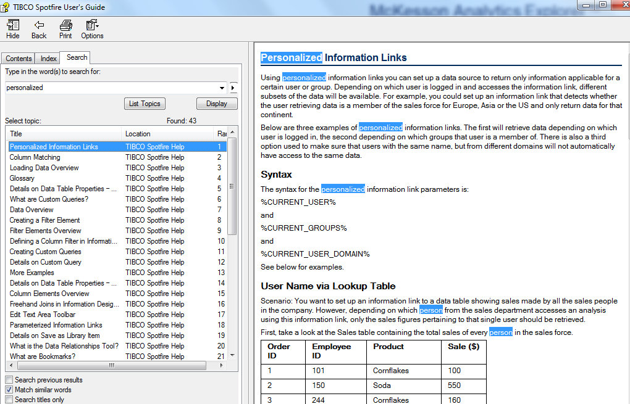

 |  | Organizations that have this in place
Facility Code |  | CHLA (Feb 2016, Feb 2017)
Dept ID |  | Moffitt (Jan 2018)
Cost Center |  | WTH (May 2018, Oct 2018)
VP / Director |  | Chesapeake Regional (July 2018)
NPI
Employee # |  | Lawerence (Nov 2018)
 |  | NYCH&H (June 2019)

Sheet1
